turkey
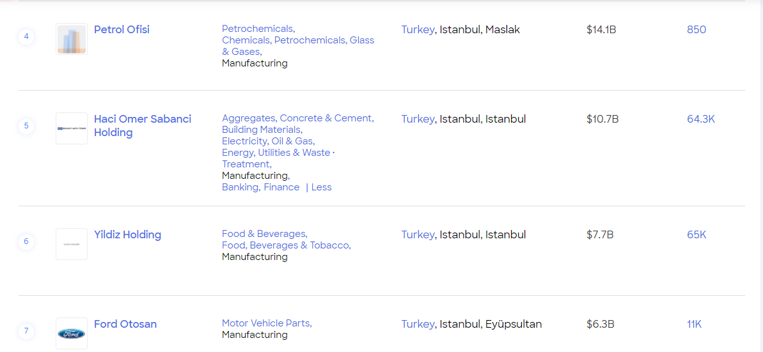
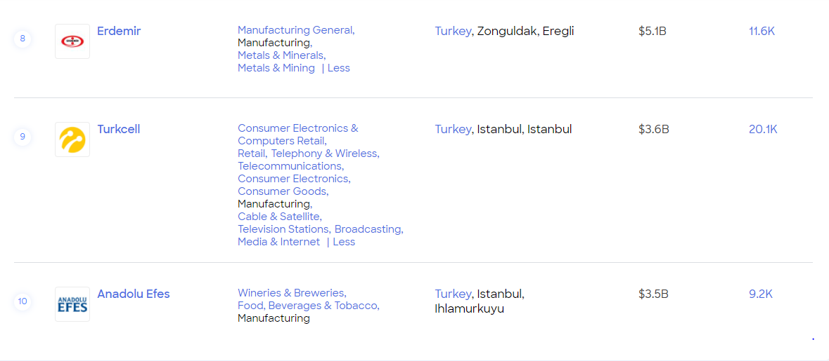
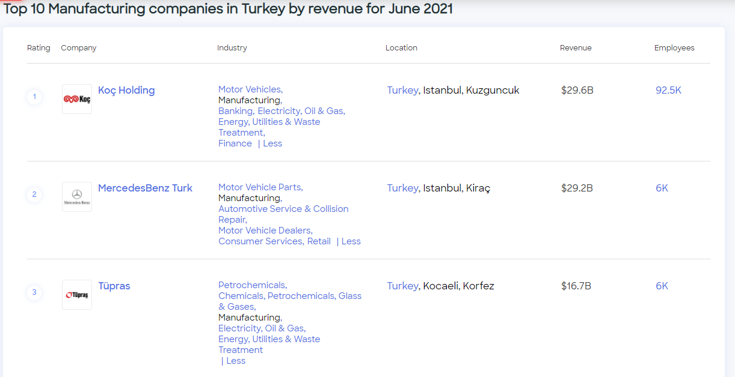
country | manufacturing companies | Manufacturing unit
Turkey
Turkey
Turkey
Turkey
Turkey
Turkey
Turkey
Turkey
Turkey
Turkey

Nigeria
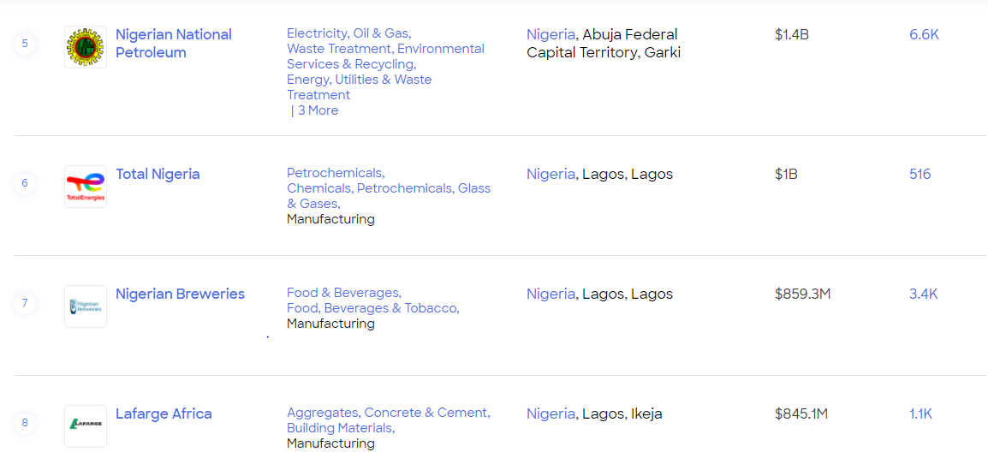
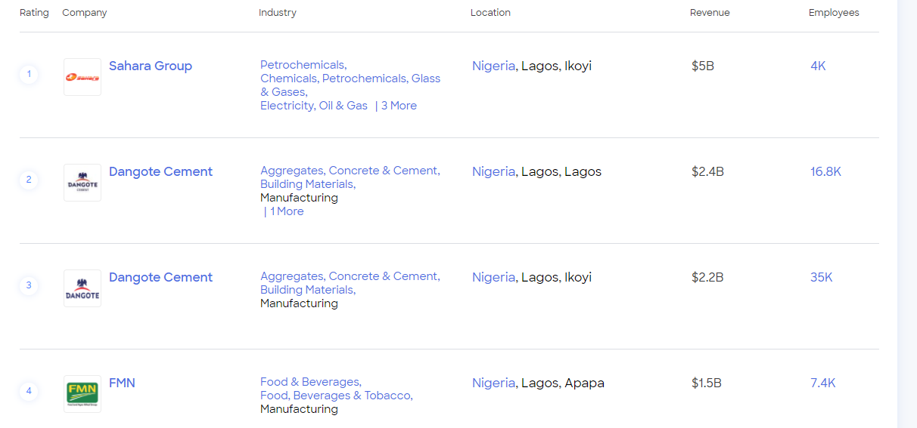
country | manufacturing companies | Manufacturing unit
Nigeria

Algeria
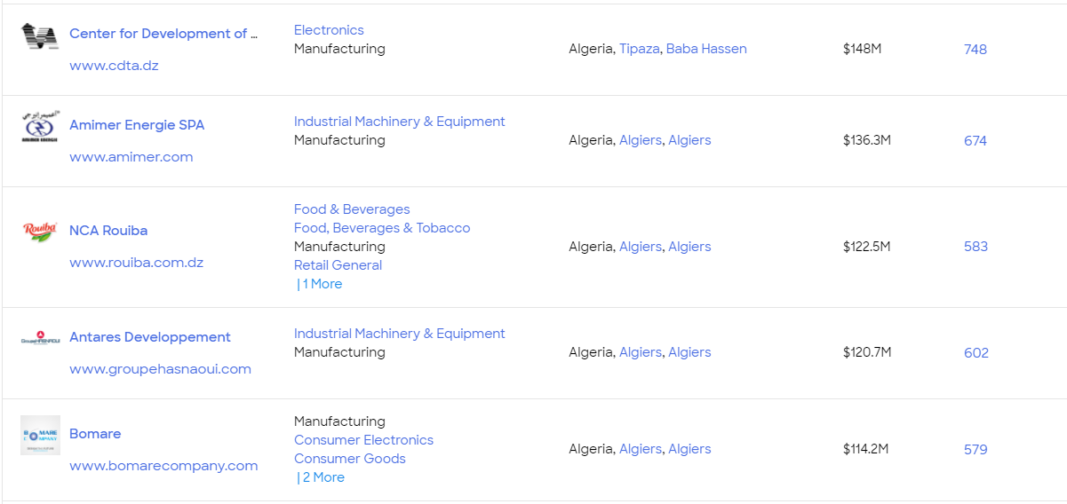
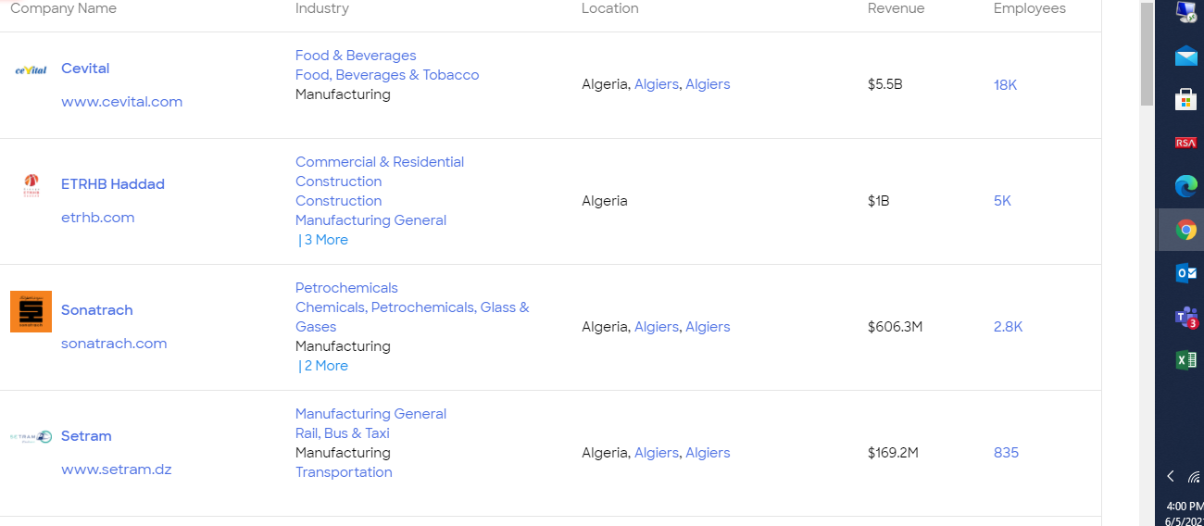
country | manufacturing companies | Manufacturing unit
Algeria

